AD supplier (Groceries)
DATE | ITEM | QYT | PRICE | SUBTOTAL | TOTAL | BILLS
27-Jan-2026 | MOZARELLA CHEESE | 4.6 | Rp120,000 | Rp552,000 | Rp1,784,000 | 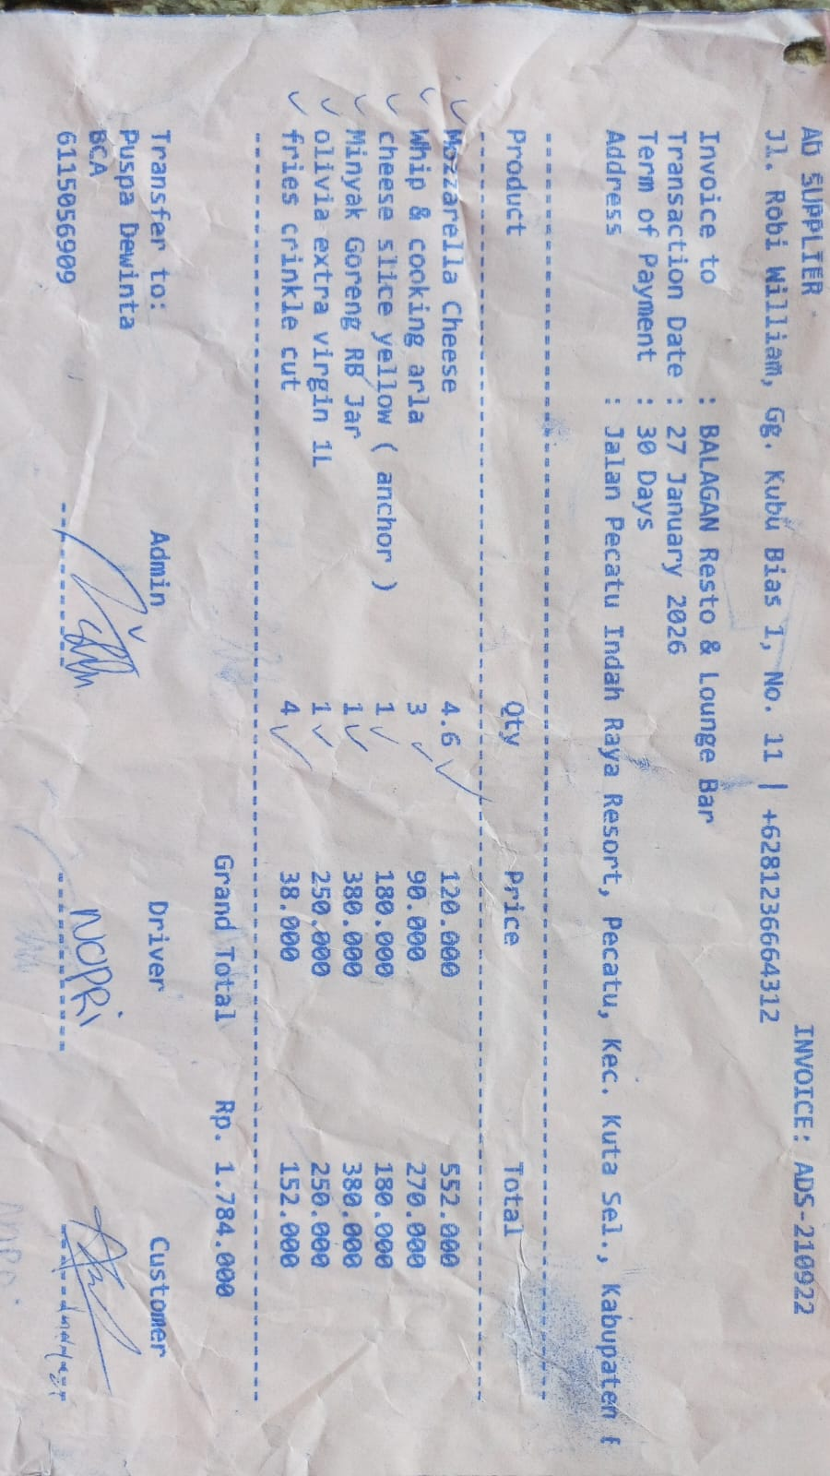
 | WHIP & COOKING ARLA | 3 | Rp90,000 | Rp270,000
 | CHEESE SLICE YELLOW (ANCHOR) | 1 | Rp180,000 | Rp180,000
 | OIL RB JAR | 1 | Rp380,000 | Rp380,000
 | OLIVIA ETRA VIRGIN 1L | 1 | Rp250,000 | Rp250,000
 | FRIES CRINKLE CUT | 4 | Rp38,000 | Rp152,000
29-Jan-2026 | TOMATOES PEELED MERKO | 6 | Rp100,000 | Rp600,000 | Rp960,000 | 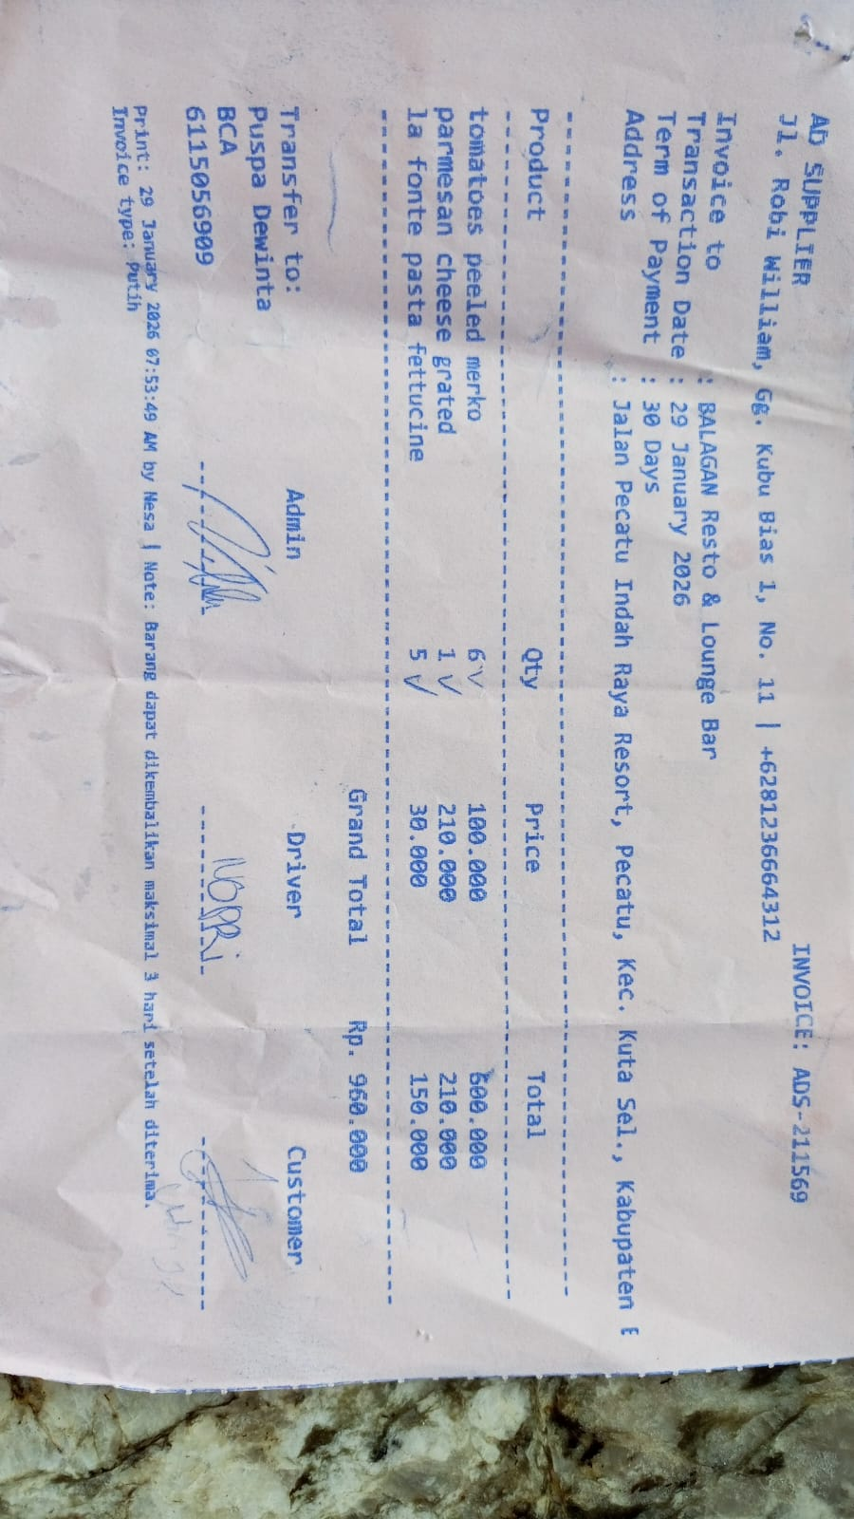
 | PARMESAN CHEESE GRATED | 1 | Rp210,000 | Rp210,000
 | LA FONTE PASTA FETTUCINE | 5 | Rp30,000 | Rp150,000

 |  |  |  |  | Rp2,744,000

